Recipe - Drawings
CARAMEL CORN

HOW TO USE
Type the number of people who will be sharing the recipe into the grey box underneath the heading “scale for a group of.” The formula will scale the recipe for you.

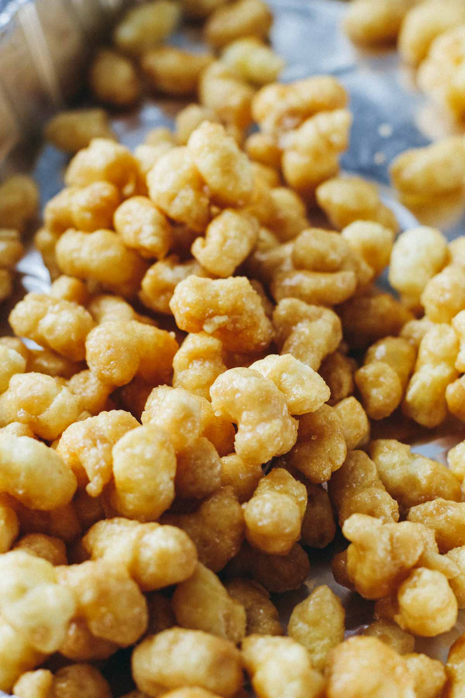

INSTRUCTIONS

Preheat the oven to 250°F. Place Puff Corn in a deep roasting pan.
Bring the butter, brown sugar, and corn syrup to a boil. Add the baking soda - the mixture will foam. Stir well and remove from heat.
Pour over Puff Corn in roasting pan, stir, and transfer to the oven. Bake for 45 minutes, stirring every 15 minutes.
Spread on wax paper or foil until the caramel corn is cool and crispy.
I would recommend making just two batches together at one time.

