Recipe - Drawings
CROCK POT CHICKEN NOODLE SOUP

HOW TO USE
Type the number of people who will be sharing the recipe into the grey box underneath the heading “scale for a group of.” The formula will scale the recipe for you.

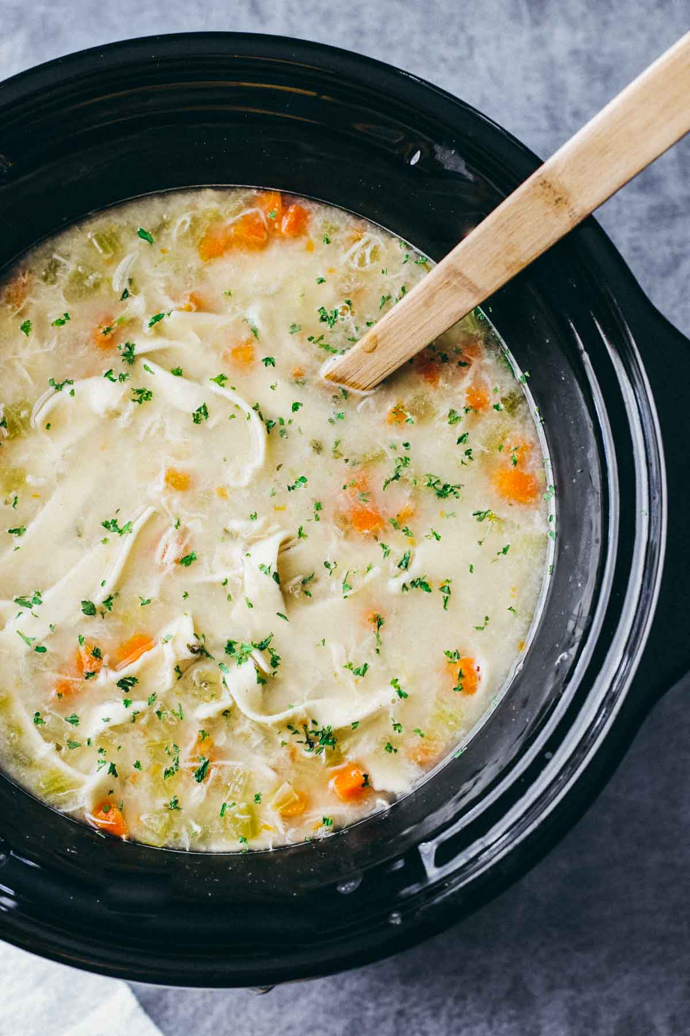

INSTRUCTIONS

Place all ingredients except egg noodles in a slow cooker.
Cover and cook on high for 3-4 hours or low for 6-8 hours.
Shred chicken directly in the bowl of the slow cooker using two large forks to pull it apart. Add the egg noodles and season generously with more salt and pepper to taste. Cook for another 15-30 minutes, and serve with bread.

